Order Form
Please complete the excel form and save with your child's name as reference (i.e - joebloggs.xlsx).
Unfortunately, due to the personalisation of club T-Shirts we will require 1 order form per child.
The form auto generates an order reference and total cost which will be used to confirm future payment via bank transfer.
Order Ref will be in the format: GROUP-SURNAME-INITIAL (example: AGP-BLOGGS-J).
Please note GROUP, Quantity and Size boxes are all drop downs allowing you to select the required size. Clicking on the box reveals a dropdown arrow to the right of the box. Sizing details are available on the second tab at the bottom of the excel sheet.
Please email completed forms to:
wiganbestkitorders@gmail.com
As discussed, orders need to be in minimum batches of 10 per item therefore we will collate all received orders before submitting. An order confirmation and payment request will be sent by e-mail return once the order is placed.
If you do not have Excel there is also a PDF version of the form that can be manually filled in, photographed and returned. Please note however the PDF will not auto generate an order reference or total order amount.
Payment to be made via bank transfer only. Any issues please contact us on Facebook or Instagram.
Bank Details
Sort Code: 60-01-24
Account No: 48518972
Account Name: Wigan Best
 |  | INITIAL
 |  | FORENAME
 |  | SURNAME
 |  | GROUP
 |  |  |  | Total Cost
 |  | Order Ref: | -- | £0.00

Club T-Shirt
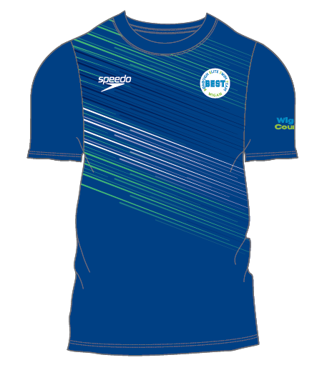 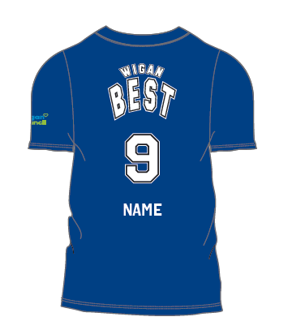 |  | Adult T-Shirt - £29.00
 |  | Quantity | Size | Total
 |  |  |  | £0.00

 |  | Junior T-Shirt - £25.00
 |  | Quantity | Size | Total
 |  |  |  | £0.00

PERSONALISATION | INITIALS |  | Max 3 Characters
 | NAME |  | Max 12 Characters
 | NUMBER |  | Max 2 Digits

Club Hoodie
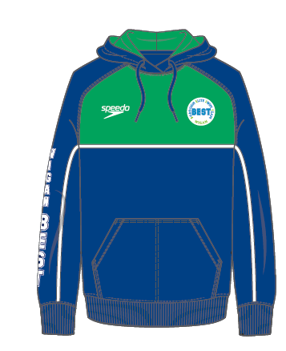 |  | Adult Hoodie - £45.00
 |  | Quantity | Size | Total
 |  |  |  | £0.00

 |  | Junior Hoodie - £42.00
 |  | Quantity | Size | Total
 |  |  |  | £0.00

Club Shorts
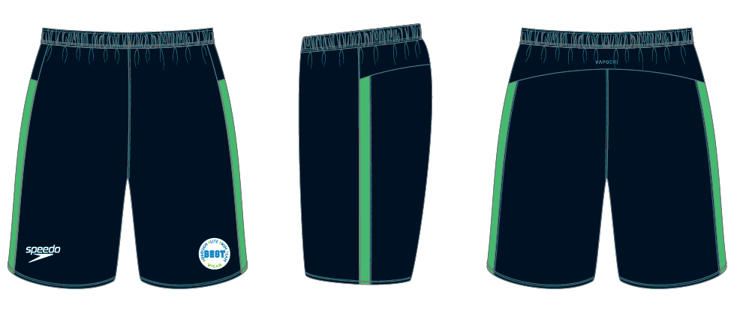 |  | Adult Shorts - £35.00
 |  | Quantity | Size | Total
 |  |  |  | £0.00

 |  | Junior Shorts - £32.00
 |  | Quantity | Size | Total
 |  |  |  | £0.00

Club Trackpant
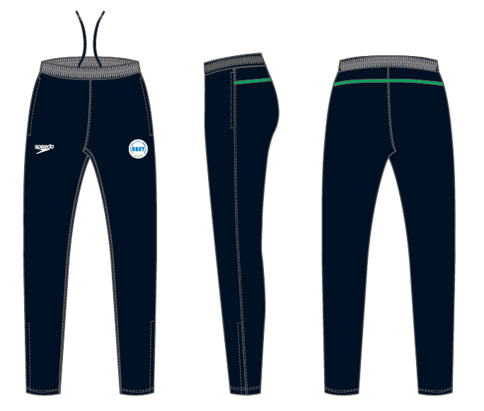 |  | Adult Trackpant - £38.00
 |  | Quantity | Size | Total
 |  |  |  | £0.00

 |  | Junior Trackpant - £34.00
 |  | Quantity | Size | Total
 |  |  |  | £0.00

Sizes
Adults | Juniors
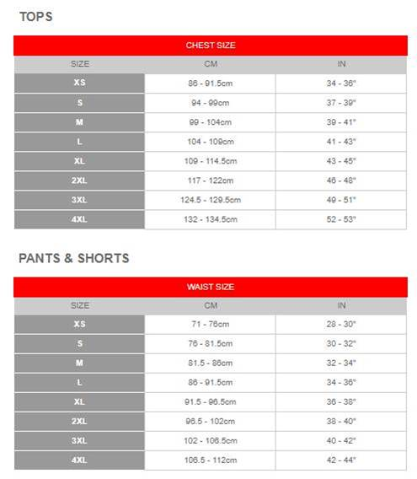 | 